Sheet1
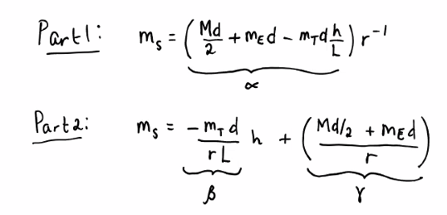
d | 98 | cm
Part 1, mT | 300 | g
mE | 21.26 | g
Trial 1, M | 499.3 | g
Trial 2, M | 549.2 | g
Trial 3, M | 599.1 | g
H1 | 3.8 | cm
Part 1, H2 | 67.5 | cm
H | 63.7 | cm
L | 60.8 | cm
Part 2, mT | 400 | g

r-1 Vs ms
Part 1: |  |  |  |  |  |  | Expected Slope | Measured Slope
 |  |  | Trial 1 | Trial 2 | Trial 3 |  |  |  | % error
 | r (cm) | r-1 (x10-1 cm-1) | ms (g) | ms (g) | ms (g) | a1 (g-cm) | 4810.8125 | 3989.3 | 17%
 | 60.00 | 0.017 | 74.5 | 114.9 | 156.1 | a2 (g-cm) | 7215.25 | 6516.3 | 10%
 | 65.00 | 0.015 | 71.1 | 107.5 | 145.5 | a3 (g-cm) | 9732.0625 | 9069.8 | 7%
 | 70.00 | 0.014 | 67.2 | 100.9 | 136.1
 | 75.00 | 0.013 | 64.0 | 94.1 | 127.6
 | 80.00 | 0.013 | 59.4 | 89.1 | 119.8
 | 85.00 | 0.012 | 56.6 | 84.1 | 112.4
 | 90.00 | 0.011 | 53.7 | 79.3 | 106.6
 | 95.00 | 0.011 | 50.1 | 74.9 | 100.5
average: | 77.50 | 0.01 | 62.08 | 93.10 | 125.58

h Vs ms
Part 2: | r = | 90 | cm
 |  |  |  |  |  |  | Expected Slope | Measured Slope
 | H2 (cm) | h (cm) | ms (g) | ms (g) | ms (g) |  |  |  | % error
 | 60.2 | 56.4 | 34.2 | 61.3 | 88.4 | b (g-cm) | -7.1637426901 | -7.0624333333 | 1%
 | 55.3 | 51.5 | 67.8 | 94.9 | 122
 | 51.2 | 47.4 | 97 | 124.3 | 151.7 |  | Expected y-intercept | Measured y-intercept
 | 46.8 | 43.0 | 128.6 | 155.9 | 183.1 |  |  |  | % error
 | 43.5 | 39.7 | 151.5 | 178.8 | 206.1 | g1 (g) | 436.81415205 | 431.35 | 1%
average: | 51.40 | 47.60 | 95.82 | 123.04 | 150.26 | g2 (g) | 464.03415205 | 459.25 | 1%
 |  |  |  |  |  | g3 (g) | 491.25415205 | 487.04 | 1%

